2
Abrasion Testing Record Sheet |  |  |  | Abrasion Testing Record Sheet

JOB AREA : | 3F #1 | Machine Serial Number : | 100588 | JOB AREA : | 3F #1 | Machine Serial Number : | 100588
DATE : | 2024-03-05 | SURVEYOR : | 최동현 | DATE : | 2024-03-05 | SURVEYOR : | 최동현

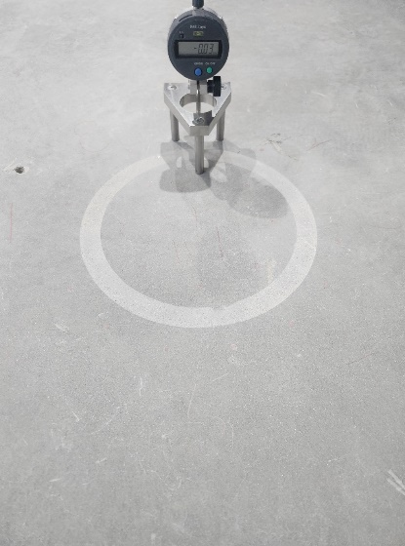
1 BEFORE | 1 AFTER | 2 BEFORE | 2 AFTER | 5 BEFORE | 5 AFTER | 6 BEFORE | 6 AFTER
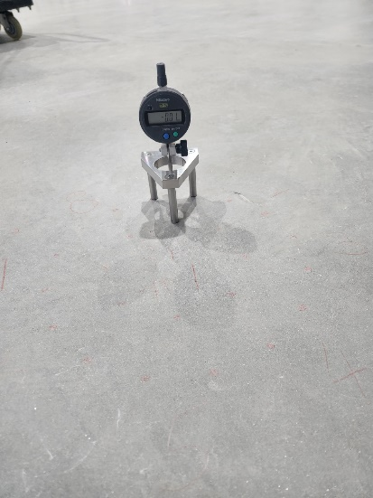 | 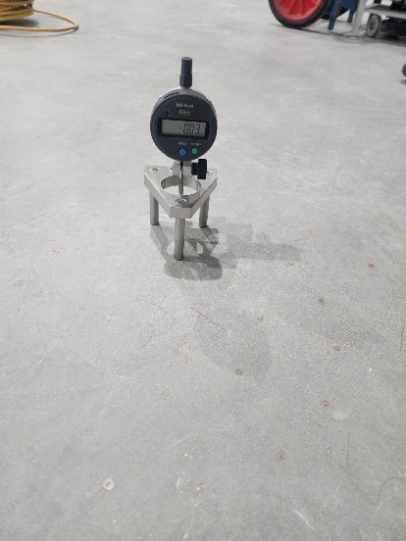 |  | 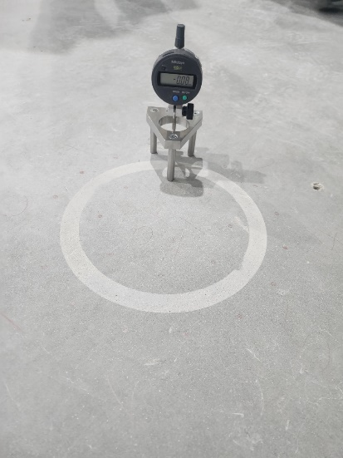 | 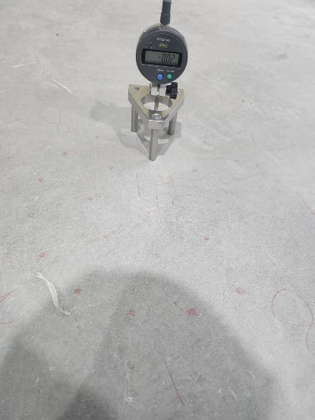 | 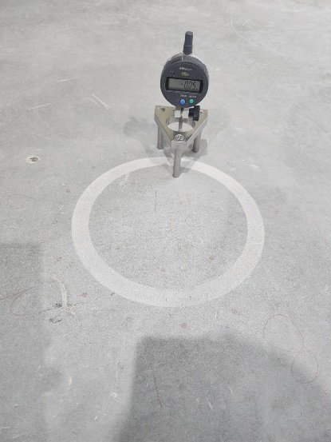 | 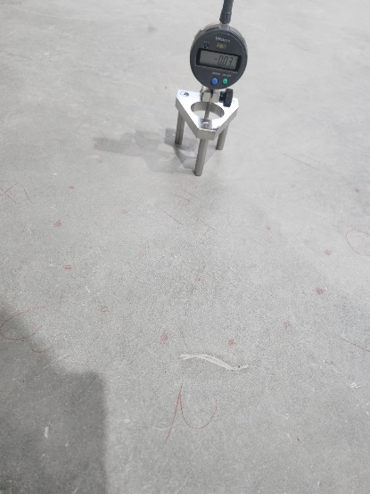 | 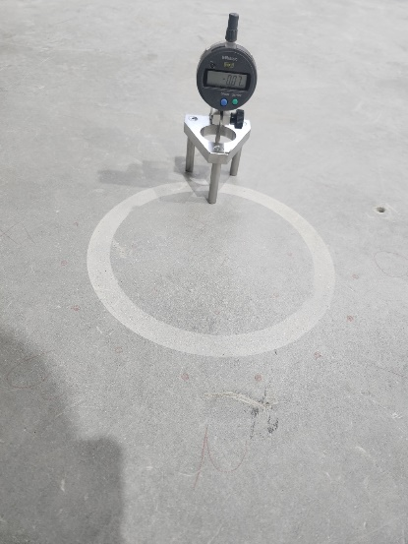

3 BEFORE | 3 AFTER | 4 BEFORE | 4 AFTER | 7 BEFORE | 7 AFTER | 8 BEFORE | 8 AFTER
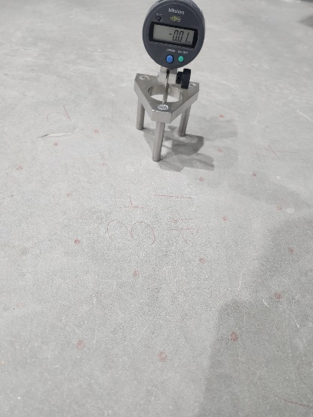 | 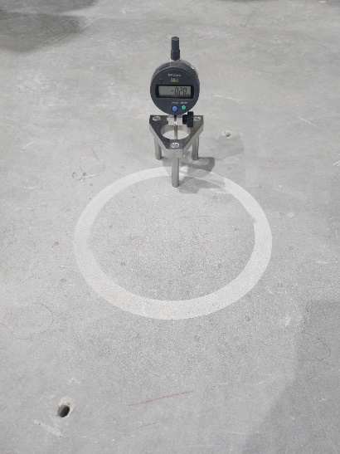 | 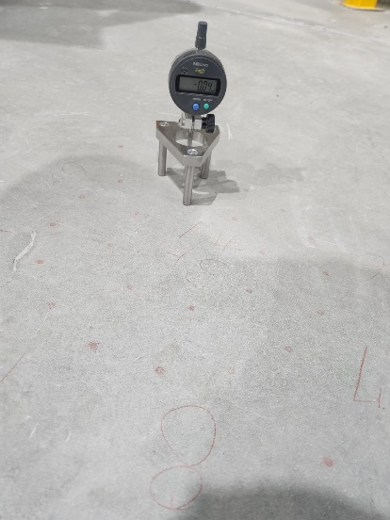 | 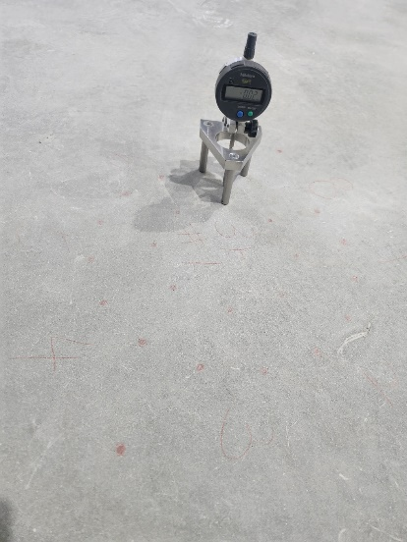 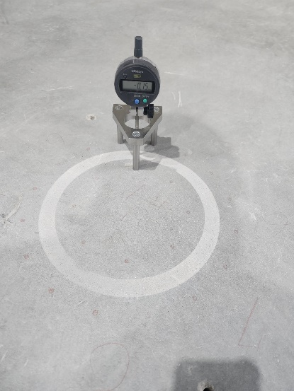 |  | 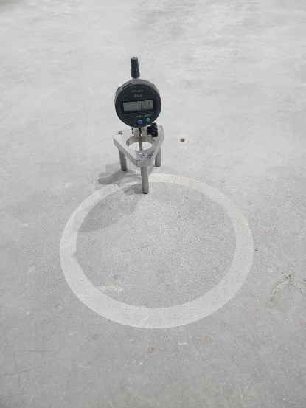 | 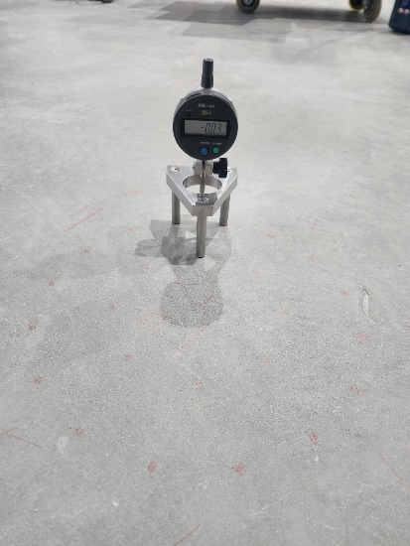 | 